0. Data Citation
 | Title page

Data Citation

“The Instacart Online Grocery Shopping Dataset 2017”, Accessed from www.instacart.com/datasets/grocery-shopping-2017 via Kaggle on [date].
Disclaimer: Customers data (customers.csv) and prices data ('prices' column in products.csv) has been fabricated for the purpose of this exercise

1. Title Page
[Grocery Basket Analysis]

Project Name: Instacart Grocery Basket Analysis
Date: 1 September 2023
Analyst Name: Hanadi Salim

Contents:
Population Flow
Consistency checks
Wrangling steps
Column derivations
Visualizations
Recommendations

2. Population Flow
Title page

Population flow

Exclusion flag
Condition: max_order < 5
Obervations to be removed: 1,440,295
Final total count of order_products_all: 30,964,564

Orders_products_combined
Orders_products_merged
Orders_products_all

Total: 32,404,859
Total: 32,434,489
Total: 32,404,859

1.) The grey boxes in the first row of the population flow represent the original data sets as they were when you downloaded them. In the Total fields you need to add the count of the rows when you imported the data set into Jupyter.
2.) The second row of boxes (coloured) represents the data sets after you manipulated them, e.g., removed missing values and duplicates. In the Total fields you need to add the count of the rows after conducting these operations. This offers a visual oveview of how the data flows throughout the data consistency checks.
3.) The third row, where also the arrows are coloured, represents the merges you performed between the datasets. In the Total fields you need to add the count of the rows in the merged datasets, so that you end up with the final dataset (in the red box). Keep in mind the final dataset should be without exclusions (based on the exclusion flag).

3. Consistency checks
 |  |  |  |  |  | Title page
Consistency checks

Dataset | Missing values | Missing values treatment | Mixed data type | Mixed data type treatment | Duplicates
orders | 206209 values in the 'days_since_last_order' column | Created a new column to flag each missing data as a first time order. | none | none | no duplicates
products | 16 values in the 'Product_Name' column | filter out the missing data by creating new data frame | none | none | 5 duplicate records were dropped.
orders_products_prior | none | none | none | none | none
customers | none | none | first_name (culomn) | changed the date type for first_name culomn to str | none

4. Wrangling steps
 |  |  |  |  | Title page
Wrangling steps

Dataframe | Columns dropped | Columns renamed (old name:new name) | Columns' type changed | Comment/Reason
Orders | eval_set |  |  | The column has one value which is prior. This is irrelevant to the current analysis
Orders |  | order_dow : orders_day_of_week |  | changed the culomn name to be easy to remember
Orders |  |  | order_id | changed to string since it is not related to calculating descriptive statistics
Orders |  |  | user_id | changed to string since it is not related to calculating descriptive statistics
Orders |  | days_since_prior_order : days_since_last_order |  | changed the culomn name to be easy to remember
orders_products_prior |  |  | product_id | changed to int32 to save memory
orders_products_prior |  |  | reordered | changed to int8 to save memory
orders_products_prior |  |  | add_to_cart_order | changed to int32 to save memory
orders_products_prior |  |  | order_id | changed to int32 to save memory
customers |  | First Name':'first_name' 'Surnam':'last_name' 'Gender':'gender' 'STATE':'state' 'Age':'age', 'n_dependants':'number_of_dependants' 'fam_status':'family_status' |  | changed the culomns names to be uniformed and easy to remember
customers | first_name & last_name |  |  | since it is personal data and no need to use it in our current analysis

5. Column derivations
 |  |  |  | Title page

Column derivations and aggregations

In this tab you should add tables below that the frequences of flags/label variables that you produced after deriving them. NB: don't do this for continuous variables, only for flags.
Dataset | New column | Column/s it was derived from | Conditions
orders_products_combined | _merge | order_id' from orders_checked dateframe and orders_products_prior dataframe | merge the two dataframe by the 'order_id' culomn if both has the same order id number
Orders_products_merged | price_range_loc | prices | if 'prices' > 15, 'High-range product' if 'prices' >5 & <= 15, 'Mid-range product' 'if 'prices' <= 5, 'Low-range product'
Orders_products_merged | busiest_day | orders_day_of_week | if 'orders_day_of_week' = 0, 'Busiest day' if 'orders_day_of_week' = 4, 'Least busy' or else: 'Regularly busy'
Orders_products_merged | busiest_days | orders_day_of_week | if 'orders_day_of_week' = 0 or =1, 'Busiest days' if 'orders_day_of_week' =3 or = 4, 'Slowest days' or else: 'Regularly busy'
Orders_products_merged | busiest_period_of_day | order_hour_of_day | if 'order_hour_of_day' has the values of [10,11,14,15,13,12,16,9,17], 'Most orders' if 'order_hour_of_day' has the values of [3,4,2,5,1,0,6,23,22,21,7,20], 'Fewest orders' or else: 'Average orders'
orders_products_merged_additional_columns | max_order | user_id & order_number | The max value of 'order_number' for each user_id
orders_products_merged_additional_columns | loyalty_flag | max_order | if 'max_order' > 40, 'Loyal customer' if 'max_order' <=40 & > 10, 'Regular customer' if 'max_order' <= 10, 'New customer'
orders_products_merged_additional_columns | average_prices | user_id & prices | The average value of 'prices' for each user_id
orders_products_merged_additional_columns | spending_flag | average_prices | if 'average_prices' >=10, 'High spender' if 'average_prices' < 10, 'Low spender'
orders_products_merged_additional_columns | median_days | user_id & days_since_last_order | The median value of 'days_since_last_order' for each user_id
orders_products_merged_additional_columns | order_frequency_flag | median_days | if 'median_days' > 20, 'Non-frequent customer' if 'median_days' >10 &<=20, 'Regular customer' if 'median_days' <= 10, 'frequent customer'
orders_products_all | region | state | https://simple.wikipedia.org/wiki/List_of_regions_of_the_United_States
orders_products_all | customer_activity | max_order | if 'max_order' >=5, 'High_activity_customer' if 'max_order' < 10, 'Low_activity_customer'
orders_products_all | age_category | age | if 'age' <40, young_adult' if 'age' >=40 &<60, 'middle_aged_adult' if 'age' >= 60, 'old_adult'
orders_products_all | income_category | income | if 'income' <70000, 'low-income' if 'income' >=70000 &<=150000, 'middle-income' if 'income' > 150000, 'High-income'
orders_products_all | customer_type | department_id & user_id | if 'department_id' = 12, 'non_vageterian' if 'department_id' !=12, 'vageterian'
orders_products_all | Parental_profile | Age_category | if 'Age_category' = young_adult & 'number_of_dependants' = 0, 'young adult' if 'Age_category' = young _adult & 'number_of_dependants' >= 1, 'young parent' if 'Age_category' = middle_aged_adult& 'number_of_dependants' = 0, 'middle aged adult' if 'Age_category' = 'middle_aged_adult' & 'number_of_dependants' >= 1, ''middle aged parent if 'Age_category' = 'old_adult' & 'number_of_dependants' = 0, 'old adult' if 'Age_category' = 'old_adult' & 'number_of_dependants' >= 1, 'old parent'

6. Visualizations
 | Title page

Visualisations

In this tab you should include all the visualtions from Exercises 4.9 and 4.10, alongside the questions from the project brief that they answer. Include any commentary on the relationship between different variables.

Q1. The sales team needs to know what the busiest days of the week and hours of the day are (i.e., the days and times with the most orders) in order to schedule ads at times when there are fewer orders
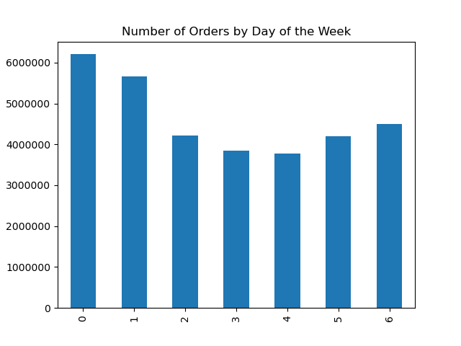
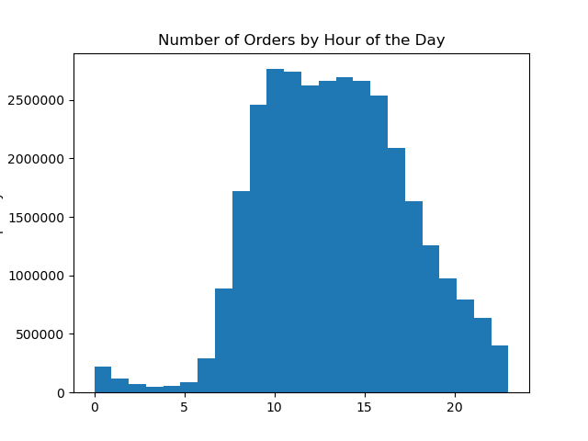

the busiest days are Saturday and Sunday and as for the busiest hours it is the period from 10:00 to 16:00 hrs. for all family statues

Legend
0= Saturday
1= Sunday
2= Monday
3= Tuesday
4= Wednesday
5= Thursday
6= Friday

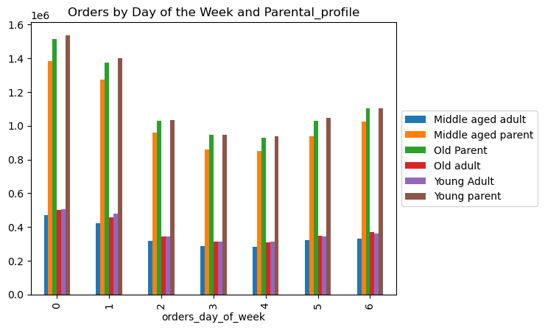
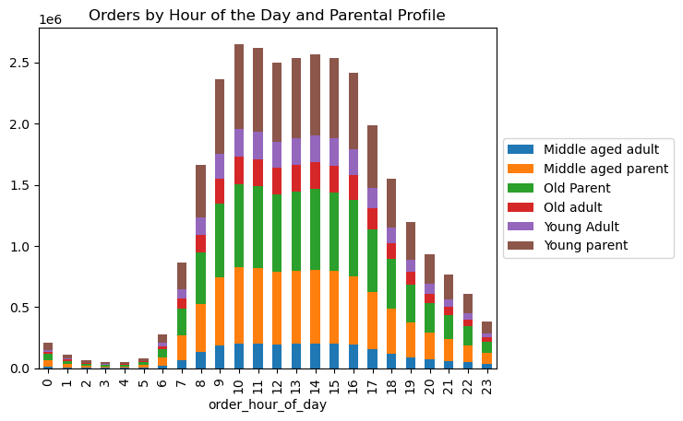

Q2. They also want to know whether there are particular times of the day when people spend the most money, as this might inform the type of products they advertise at these times

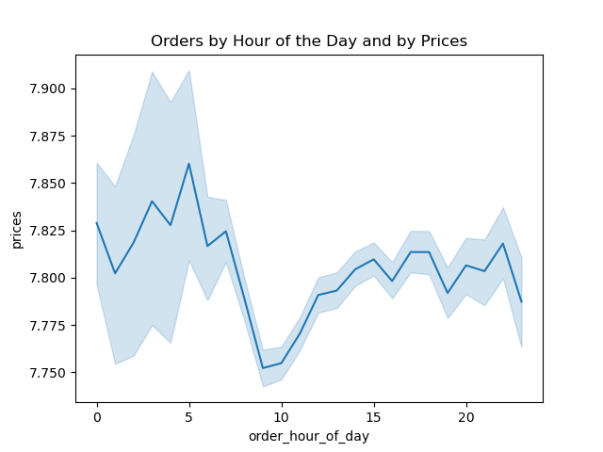

The amount spent is at highest from 1 to 4 am then it drop until 10 am where it start to increase again

Q3. Instacart has a lot of products with different price tags. Marketing and sales want to use simpler price range groupings to help direct their efforts.

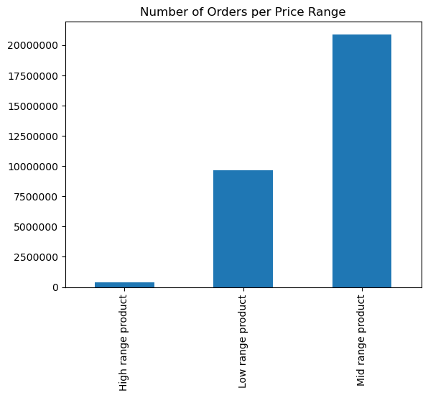

Mid range products are the most popular followed by low range products. However, high range products have the lowest orders.

Q4. Are there certain types of products that are more popular than others? The marketing and sales teams want to know which departments have the highest frequency of product orders.

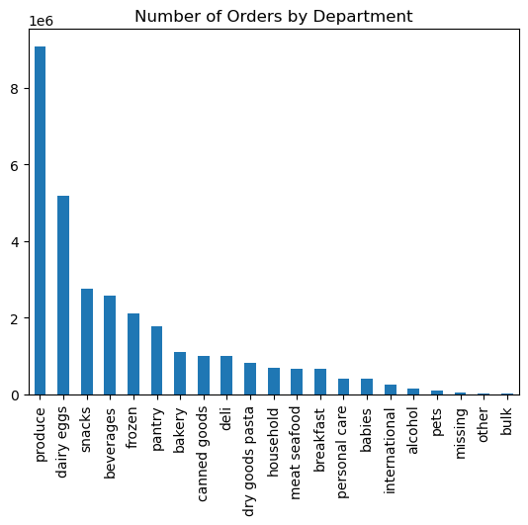

Produce and dairy egges departments has the highest order number followed by snacks and beverages.

Q5a. What’s the distribution among users in regards to their brand loyalty (i.e., how often do they return to Instacart)?

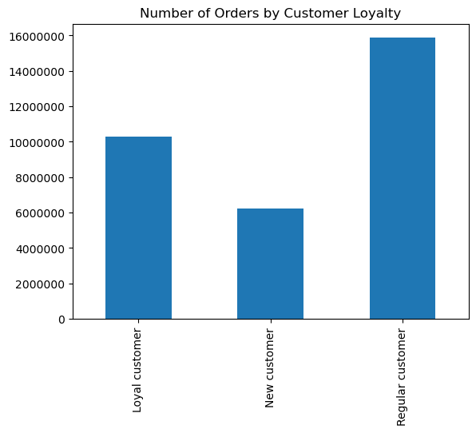

Regular customers (making orders between 10 and 40) are majority of the customers followed by Loyal customers (making more than 40 orders). on the other hand, New customers are the smallest group in the customers range.

Q5b. Are there differences in ordering habits based on a customer’s loyalty status?

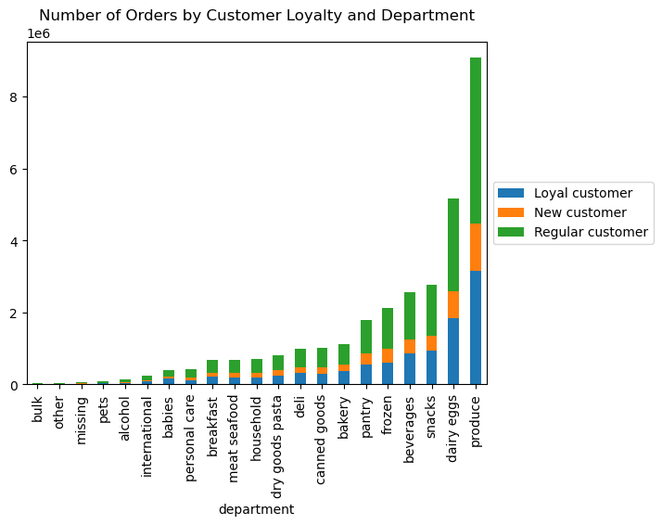

Regular customers make the highest orders followed by Loyal customers. on the other hand, New customers make the least orders in all departments.

Q5c. Are there differences in ordering habits based on a customer’s region?

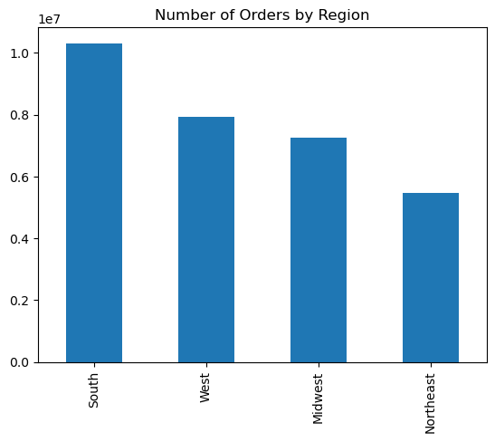

South region has the highest order number while Northest region has the least order number.

Q5d. Is there a connection between age and family status in terms of ordering habits?
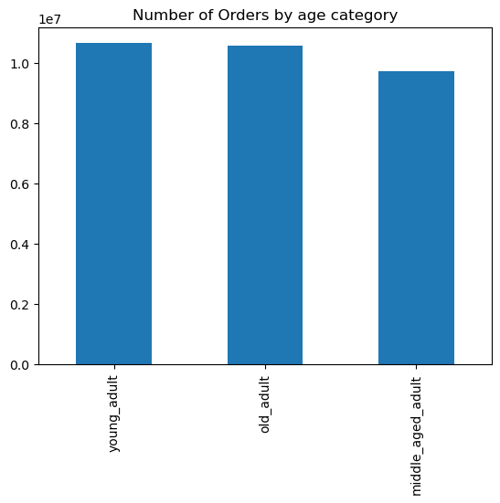
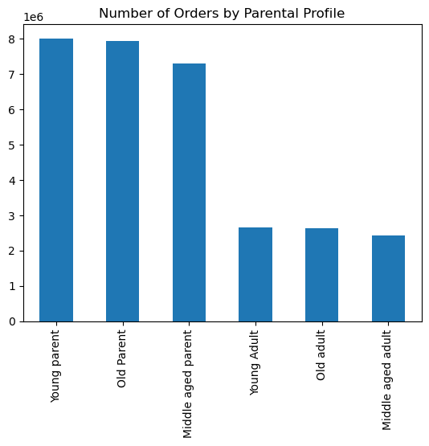
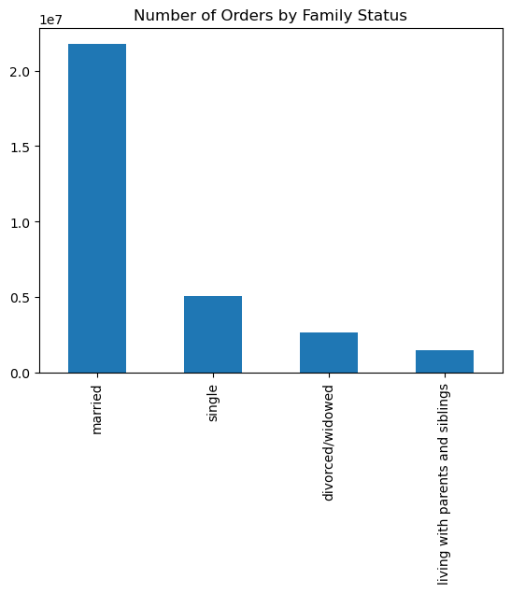

If we look in the graph that shows us orders by age, there are no major diffrinces. For orders by family status we can see that married people have the highest order number. on the other hand, it looks like people who have dependants have higher number of orders than peaple with no dependants.

Q5e. What different classifications does the demographic information suggest? Age? Income? Certain types of goods? Family status?
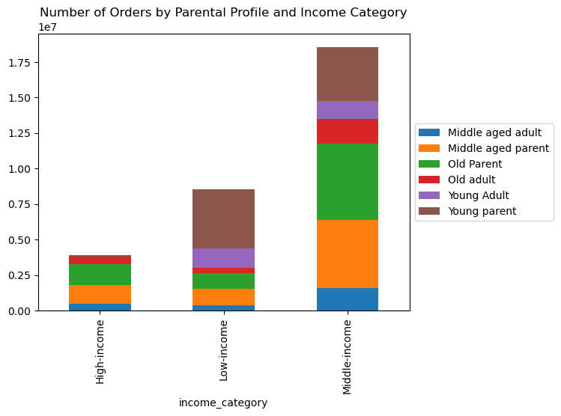


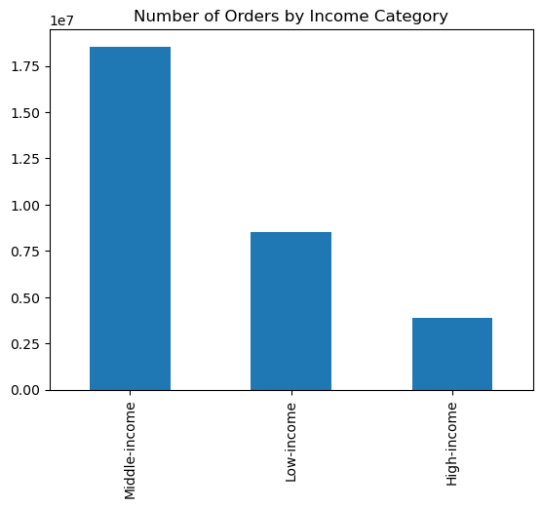

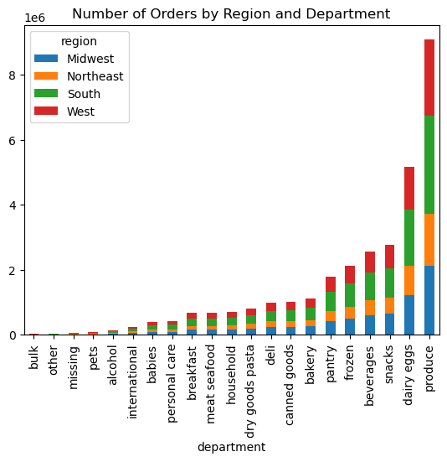
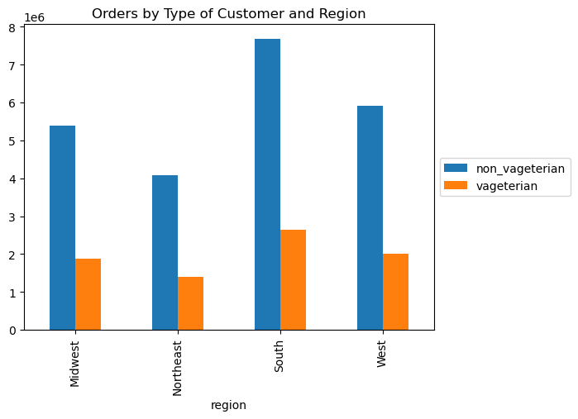

when classifying customers by income it shows that Middle income customers have the highest orders. we can also see that old parents and middle aged parent majority in both high and middle income group while young adult are in the low income group. it is understandable since usually middle and old aged adult are more stable in their financial status.
In terms of customers type, we can see that majority of the customers are non vageterian in all regions.

Q5f. What differences can you find in ordering habits of different customer profiles? Consider the price of orders, the frequency of orders, the products customers are ordering, and anything else you can think of.
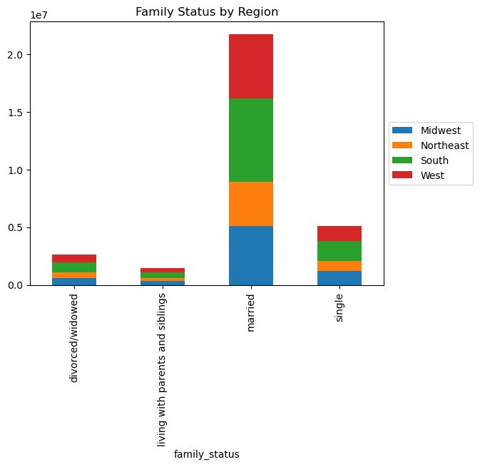
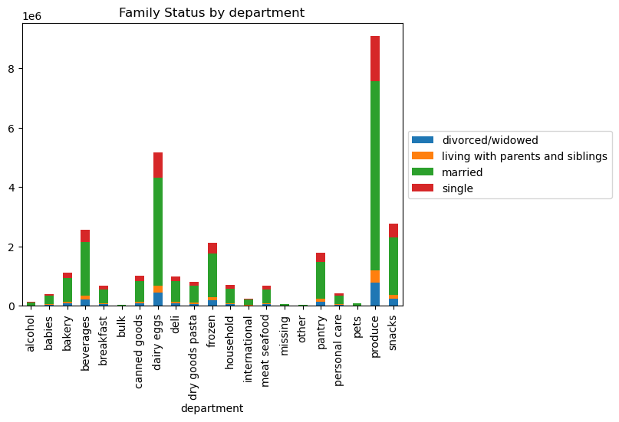
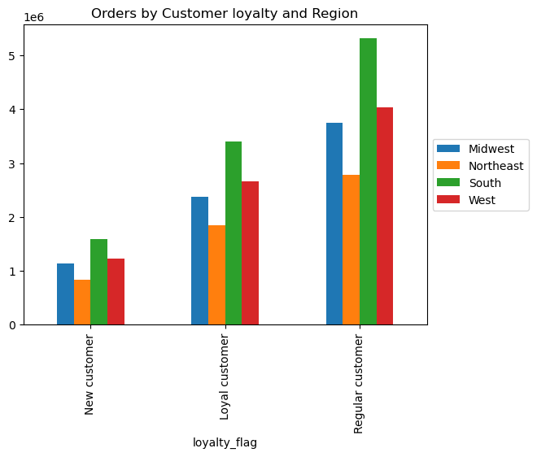

We can confirm that the highest consumer in all departments are married people followed by single people. in addition, majority of our married customers are in the South region. also majority of the regular customers are in the South region.

when classifying customers by income it shows that Middle income customers have the highest orders. we can also see that old parents and middle aged parent majority in both high and middle income group while young adult are in the low income group. it is understandable since usually middle and old aged adult are more stable in their financial status.
In terms of customers type, we can see that majority of the customers are non vageterian in all regions.

7. Recommendations
 |  |  |  | Title page

Recommendations

In this tab you should include any recommendations you would made to Instcart in terms of their marketing strategy based on the questions posed in the brief. Every key question has been covered in the Tasks of the Exercises - here you need to add an item - a visualisation or table/crosstable that is showing the answer in the data, acompanied by a comment from you. Please, list the questions below and add the answer underneath.

Q# | Question | Answer | Recommendation
1 | The sales team needs to know what the busiest days of the week and hours of the day are (i.e., the days and times with the most orders) in order to schedule ads at times when there are fewer orders | In terms of the busiest days, it happen to be on Saturday and Sunday which is the weekend. And as for the busiest hours it is from 10:00 to 16:00 hrs. for all family statues | It is best to send ads during the week days and the beginning of the day since this the best time to get customers think about what they would like to shop for lunch or dinner, or what to buy for the following week. Since most shopping is pushed to the end of the week.
2 | They also want to know whether there are particular times of the day when people spend the most money, as this might inform the type of products they advertise at these times | The amount spent is at highest from 1 to 4 am then it drop until 10 am where it start to increase again | since this time period has the highest spending amount, it is good to advertise for high range products.
3 | Instacart has a lot of products with different price tags. Marketing and sales want to use simpler price range groupings to help direct their efforts. | the producats was categorized into three ranges as low, Mindum, and high products ranges according to their prices. | for sales department it is good to ensure low and mid range products are always available due to the high demand. As for the Marketing department, it might be a good idea to maximize the efforts in advertizing the high range products since it has the lowest orders.
4 | Are there certain types of products that are more popular than others? The marketing and sales teams want to know which departments have the highest frequency of product orders. | Produce and dairy egges departments has the highest order number followed by snacks and beverages. | Make sure to not overstock on the low ordered products to avoid waste
5 | The marketing and sales teams are particularly interested in the different types of customers in their system and how their ordering behaviors differ. For example:
5a | What’s the distribution among users in regards to their brand loyalty (i.e., how often do they return to Instacart)? | Regular customers (making orders between 10 and 40) are majority of the customers followed by Loyal customers (making more than 40 orders). on the other hand, New customers are the smallest group in the customers range. | since regular customer are the highist proportion of our customer group, it might be good to have some type of offers, exclusive items, or extra services. This could increase their loyalty and attract more customers.
5b | Are there differences in ordering habits based on a customer’s loyalty status? | Regular customers make the highest orders followed by Loyal customers. on the other hand, New customers make the least orders in all departments. | It is recommended to increase advertising for the Instacart since we need to increase the new customer number.
5c | Are there differences in ordering habits based on a customer’s region? | South region has the highest order number while Northest region has the least order number. | Next step should be checking on why is south region has the highest orders while Northeast has the lowest orders (is it the population number? Or are there more instacrt stores in other regions but not in Northeast? Or are there more compititors in Northeast which make the market share in that region less?) Another option is to check the marketing strategy in the South and standerdize it for all region if applicable.
5d | Is there a connection between age and family status in terms of ordering habits? | If we look in the graph that shows us orders by age, there are no major diffrinces. For orders by family status we can see that married people have the highest order number. on the other hand, it looks like people who have dependants have higher number of orders than peaple with no dependants. | since people with dependants have higher orders number, we can make backeges/family offers to attract this group. In addtion, we increase our market for people with no dependants by marketing smaller virsion of the big items so they feel included and inclined to visit the instacart stores.
5e | What different classifications does the demographic information suggest? Age? Income? Certain types of goods? Family status? | when classifying customers by income it shows that Middle income customers have the highest orders. we can also see that old parents and middle aged parent majority in both high and middle income group while young adult are in the low income group. it is understandable since usually middle and old aged adult are more stable in their financial status. In terms of customers type, we can see that majority of the customers are non vageterian in all regions. | Consider getting in contact with chiraty orgnization to provide support for low income customers where they can get special discount so when their income become better they can be our loyal/regular customer. Increase varity of meat options for non vageterians by adding seasoned meat options instead of plain ones. Increase vageterian options by adding ready to eat meals (a lot of places provide options of meals that looks like real meet but that can sometimes backfire since some vageterian don't like the look or taste of meet so geting creative with tasty recipies can attract more vageterian customers.)
5f | What differences can you find in ordering habits of different customer profiles? Consider the price of orders, the frequency of orders, the products customers are ordering, and anything else you can think of. | We can confirm that the highest consumer in all departments are married people followed by single people. in addition, majority of our married customers are in the South region. also majority of the regular customers are in the South region.

